Sheet1
Test # | Description | Actual result | Expected result | Passed/Failed | Comments | Screenshots
1 | Verify application answers on the port set in Environment vairable, which is 8088 in this case | Port 8088 is used--tested with command prompt :netstat -a | findstr 8088 | Port 8088 is used | Passed | Port 8088 is shown listening
 | POST to /hash endpoint
2 | Verify that application supports POST to /hash endpoint | Post to/hash valid request returns the identifier for the password | Valid Post request returns the identifier | Passed
3 | Verify that POST to /hash endpoint returns job identifier immediately and then wait for 5 secs to compute hash | Endpoint doesn't return the job identifier immediately, instead waits for 5 secs and then returns the job identifier | POST to /hash endpoint returns job identifier immediately and then wait for 5 secs to to compute hash | Failed | Most of the time it waits for a few seconds to return the job identifier
4 | Verify that POST to /hash endpoint returns response that has a job identifier | response doesn't show proper header for job identifier(last item current speed shows rthe identifier_ | Proper job identifier field should be present in the response | Failed
5 | Verify that authentication is used in the Post endpoint--one way is username used along with password | No username is used in the Post endpoint request |  | Failed | Need requirement for authentication
6 | Verify in the POST to/hash endpoint, provided password follows rules--only wild characters are not accepted | It doesn't show any error msg for password with just wild characters and computes hash | Password with just wild characters should not be computed for hash and should display error msg | Failed | Need expected behavior and output error msg
7 | Verify in the POST to /hash endpoint, the provided password follows rules--onlycertain length of characters are allowed | It doesn't show any error msg for password with lengthy characters more trhan 100 charcs tested | Password with certaun length of characters should be computed for hash and should display error msg for excedding the limit defined for password rules | Failed | Need expected behavior and output error msg
8 | Verify that multiple POST to /hash requests could be sent sequentially | Multiple requests could be sent sequentially | Multiple requests could be sent sequentially | Passed
9 | Verify that loads of requests Posted with POST to/hash endpoint are computed for hash and total time doesn't take exceptional amount of time (50 requests sent sequentially) | Each request took about 4 or 5 seconds | Each request should take about 5 seconds | Passed | 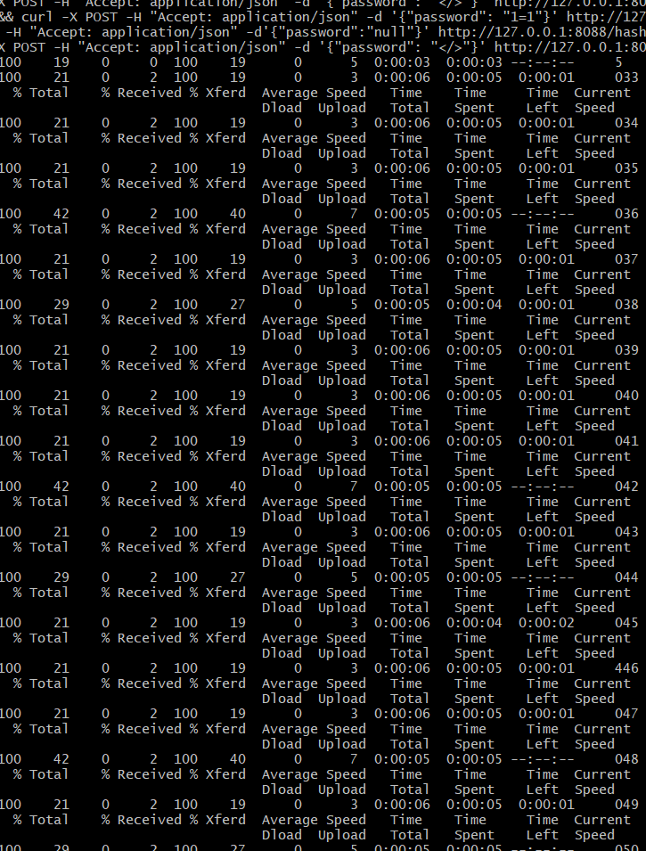
 | GET to /hash endpoint
10 | Verify that application supports GET to /hash endpoint and returns base64 encoded password hash for the POST job identifier used after hash | GET request returns the base64 encoded password hash for the POST job identifier | GET request returns the base64 encoded password hash for the POST job identifier | Passed
11 | Verify Http header by running curl -I -H "Accept: application/json" -H "Content-type: application/json" http://127.0.0.1:8088/hash/13 | Response shows Content-Type as Plain/text instead of application/json | Response should shows Content-Type as Plain/text instead of application/json
12 | Verify the application GET to /hash endpoint returns different base64 encoded password hashes for the same password sent but with different POST job identifiers (POST exact same password multiple times) | The password hashes are same for the same password sent through POST endpoint |  | Failed [Based on assumption that unique hash should be provided each time and authentication shoukd be done in some way like userid used or salt used. | Not sure what's expected but for security reasons, it would be good to be designed to have a unique hash each time a password is sent, even it's same. Unique random salt can be used
13 | Verify the application GET to /hash endpoint returns different base64 encoded password hashes for the password: angrymonkey vs ANGRYMONKEY is different | password hashes are different | password hashes are different | Passed
14 | Verify that GET to/hash endpoint shows appropriate error msg when NULL is used as a password | It doesn't show any error msg and just keeps on running --had to abort |  | Failed | Need expected behavior and output error msg
15 | Verify that GET to/hash endpoint shows appropriate error msg when password is NOT provided("password": } | It doesn't show any error msg and just keeps on running --had to abort |  | Failed | Need expected behavior and output error msg
16 | Verify software is able to handle connections simultaneously by opeining incognito windows | It shows the base64 encodes hash computed for password in multiple windows | Multiple connections should work | Passed
17 | Verify that invalid job identifier doesn't provide any hash | hash not found msg is shown | Error msg for something like "hash not found" should be shown | Passed
18 | Authorization is used in Get to /hash endpoint | There is no authorization in the header |  | Failed | Need requirement for authorization
 | GET to /stats endpoint
19 | Verify that Get to /stats endpoint that shows TotalRequests correctly in response | Reponse shows TotalRequests correctly in response | Reponse should show TotalRequests correctly in response | Passed
20 | Verify that Get to/stats endpoint doesn't accept data | Post not supported msg is shown | Call should not go through | Passed
21 | Verify that Get to /stats enpoint that shows AverageTime correctly in response | Reponse shows INCORRECT averagetime of a hash request. In total 13 requests sent, each request took about 4 to 5 seconds(total spent in Post call), but Avergaetime shown was 26338 mili seconds | Response should show correct average time of a hash request | Failed |  | 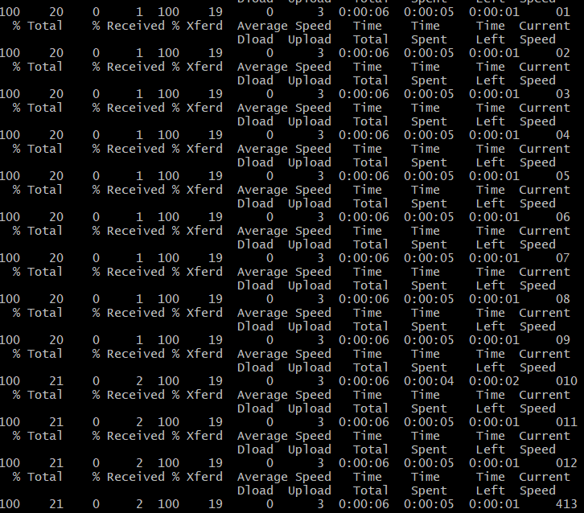
22 | Using query parameter in url in Get to /stats requests. Example: curl -H "Content-type: application/json" -H "Accept: application/json" http://127.0.0.1:8088/stats?TotalRequests=0 | Response shows TotalRequests and Average time correctly and ignores the ?TotalRequests=0 | Response should disregrad the query param used and shows TotalRequests and Averagetime | Passed
 | POST shutdown endpoint
23 | Verify that in-flight password hashing should be allowed when shutdown is done in between | Post requests in flight shows " Failed to connect to 127.0.0.1 port 8088: Connection refused" when shut down was done in between | in-flight password hashing should be allowed | Failed |  | 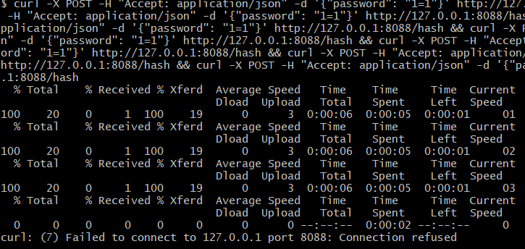
24 | Check the 200 empty code when Curl post shutdown endpoint is used | No 200 empty response shown | 200 empty response should be shown | Failed
25 | Verify that database stores the full hash for the password |  |  |  | No access the db

